TM Information
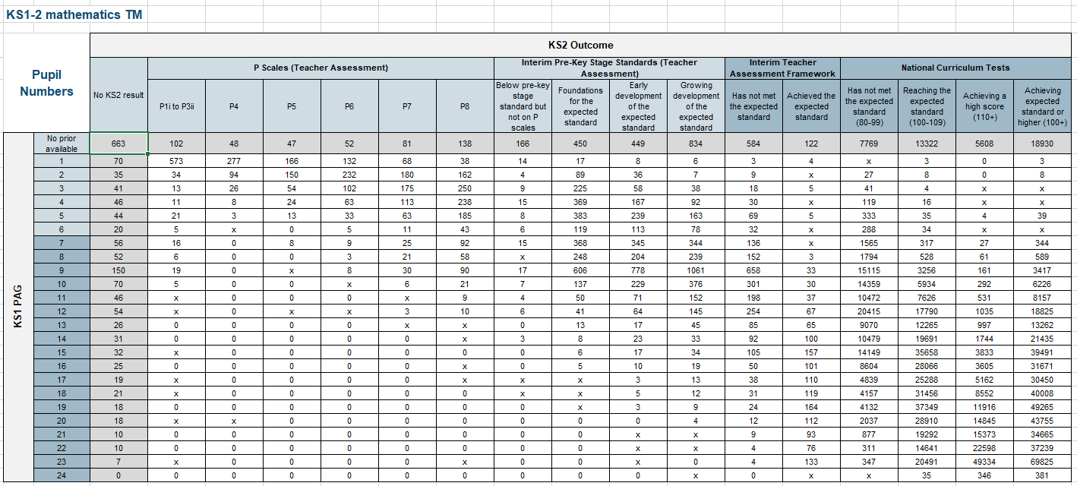
2018 KS1 - KS2 Transition Matrices (TMs)
The following TMs describe key stage 2 (KS2) pupil outcome distributions for each prior attainment starting point in English reading, English writing and mathematics for the 2018 academic year. All data is provided in either pupil numbers or percentages.
The TMs include both pupils working at, and below test standards, consistent with progress measure calculations. P scale and pre-key stage assessment outcomes are included where appropriate.

KS1 Prior Attainment Groups (PAGs)
All pupils nationally are assigned to PAGs based on KS1 Average Point Scores (APS) from teacher assessment taken in 2014.
A pupil's APS is calculated by converting teacher assessment outcomes in English reading, English writing, and mathematics into point scores, then weighting the average English (reading and writing) score 50:50 alongside mathematics.
For those who were working below level 1, a pupil's APS will depend on whether a student is working at P1-P3 scale standards, P4-8 scale standards, or were not assessed on P scales.
For more details consult section 'Allocating point scores' at the following link in the technical guide.
PAGs are constructed by grouping together pupils with the same or similar APS. This results in 24 separate groups, the first 6 made up of pupils assessed on P scales at KS1 (see left table). Pupils stay in the same PAG when compared against separate English reading, English writing and mathematics KS2 outcomes in TMs.
KS2 Results
For pupils working at test standards, English reading and mathematics KS2 outcomes are based on national curriculum tests. Results are reported as scaled scores, where 100 represents the 'expected standard' at the end of KS2. Those not entered for tests or who are entered and do not receive a scaled score have their outcome reported under the interim teacher assessment framework. English writing KS2 outcomes are all based on the interim teacher assessment framework.
For pupils working below test standards, KS2 outcomes in all 3 subjects depend on whether a student is working at P1-P3, P4-P8, or interim pre-key stage standards. Pupils working at P1-P3 scale standards are teacher assessed against P1i-P3ii performance descriptors in only either English or mathematics; pupils working at P4-P8 are assessed against P4-P8 performance descriptors in either English reading, writing, or a taken average between use of mathematics, numbers, and shapes. Those working below national curriculum test standards but above P scales are teacher assessed against the additional interim pre-key stage standards in English reading, writing or mathematics.
For more details consult 'Key stage 2 points for pupils below the standard of the test in 2018' in the technical guide.
PAGs | KS1 APS
1 | >0 to <1.75
2 | >=1.75 to <2
3 | >=2 to <2.25
4 | >=2.25 to <2.5
5 | >=2.5 to <2.75
6 | >=2.75 to <3
7 | >=3 to <6
8 | >=6 to <9
9 | >=9 to <10
10 | >=10 to <12
11 | >=12 to <13
12 | >=13 to <14
13 | >=14 to <14.5
14 | >=14.5 to <15
15 | >=15 to <15.5
16 | >=15.5 to <16
17 | >=16 to <16.5
18 | >=16.5 to <17
19 | >=17 to <18
20 | >=18 to <19
21 | >=19 to <20
22 | >=20 to <21
23 | >=21 to <21.5
24 | >= 21.5

TM Methodology:
- Published TMs are based on amended data in the 2018 National Pupil Database (NPD)
- Pupils eligible for TM inclusion are those at the end of KS2 attending state-funded mainstream schools, state-funded special schools, hospital schools and non-maintained special schools who also have KS1 prior attainment records
- Percentages may not always sum to 100 due to rounding
- Cells containing 1 or 2 pupils have been suppressed. Secondary suppression has been used where necessary to remove the potential for disclosure. 'X' indicates where data has been suppressed
Example:
The TM section below compares KS1 prior attainment against KS2 outcomes in mathematics for all TM eligible pupils. For example, of all pupils nationally in Prior Attainment Group 6, 10 went on to achieve P scale 7 at KS2.

 |  | KS1-2 mathematics TM

 |  | Pupil Numbers |  | KS2 Outcome
 |  |  |  | No KS2 result | P Scales (Teacher Assessment)
 |  |  |  |  | P1i to P3ii | P4 | P5 | P6 | P7 | P8
 |  | KS1 PAG | No prior available | 663 | 102 | 48 | 47 | 52 | 81 | 138
 |  |  | 1 | 70 | 573 | 277 | 166 | 132 | 68 | 38
 |  |  | 2 | 35 | 34 | 94 | 150 | 232 | 180 | 162
 |  |  | 3 | 41 | 13 | 26 | 54 | 102 | 175 | 250
 |  |  | 4 | 46 | 11 | 8 | 24 | 63 | 113 | 238
 |  |  | 5 | 44 | 21 | 3 | 13 | 33 | 63 | 185
 |  |  | 6 | 20 | 5 | x | 0 | 5 | 11 | 43

